Project3392
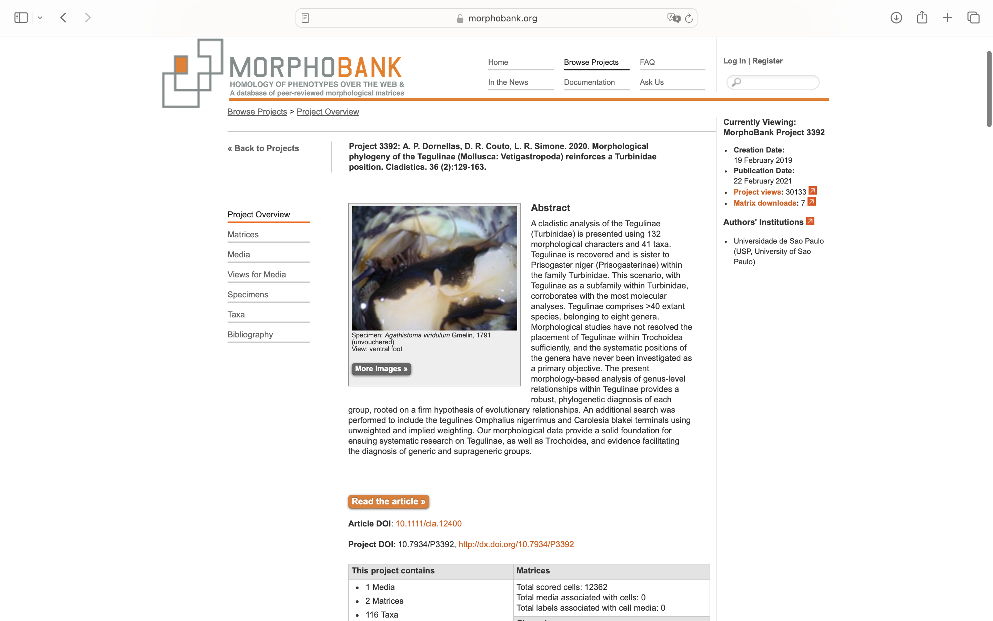
Charlabels | Character Pattern | Unseen States
[1] 'Shell, shape' | Transformational | YES
[2] 'Shell, whorl profile' | Transformational | YES
[3] 'Shell, last whorl, keel' | Neomorphic | NO
[4] 'Shell, spire, shoulder' | Neomorphic | NO
[5] 'Shell, spire, shoulder, shape' | Transformational | YES
[6] 'Shell, aperture, base' | Transformational | YES
[7] 'Shell, aperture, growth of outer lip' | Transformational | YES
[8] 'Shell, external iridescence' | Neomorphic | NO
[9] 'Shell, axial blotches' | Neomorphic | NO
[10] 'Shell, axial blotches, shape' | Transformational | YES
[11] 'Shell, oblique blotches, arrangement' | Transformational | NO
[12] 'Shell, spiral blotches' | Neomorphic | NO
[13] 'Shell, base, spiral blotch surrounding umbilical area' | Neomorphic | NO
[14] 'Shell, purplish-black color' | Neomorphic | NO
[15] 'Shell, spire, spiral cords' | Neomorphic | NO
[16] 'Shell, spire, spiral cords, shape' | Transformational | YES
[17] 'Shell, spire, differentiated and equidistant spiral cords' | Neomorphic | NO
[18] 'Shell, spiral cords, distance between cords' | Transformational | NO
[19] 'Shell, spiral cords, nodules, shape' | Neomorphic | NO
[20] 'Shell, periphery, distinct beaded spiral cords' | Neomorphic | NO
[21] 'Shell, prominent subsutural beaded spiral cord' | Neomorphic | NO
[22] 'Shell, secondary cords' | Neomorphic | NO
[23] 'Shell, base, spiral cords' | Neomorphic | NO
[24] 'Shell, base, width of spiral cords relative to the width of spiral cords in the spire' | Transformational | NO
[25] 'Shell, base, shape' | Transformational | YES
[26] 'Shell, spire, axial ribs' | Neomorphic | NO
[27] 'Umbilicus' | Neomorphic | NO
[28] 'Umbilicus, shape' | Transformational | NO
[29] 'Umbilicus, columellar callus' | Neomorphic | NO
[30] 'Umbilicus, columellar callus, position' | Transformational | YES
[31] 'Umbilicus, occlusion from columellar callus in open umbilicus' | NT?;0=0-;1=11;2=12
[32] 'Umbilicus, columellar callus, color' | Transformational | YES
[33] 'Umbilicus, columellar callus, width relative to diameter of the umbilicus' | Transformational | YES
[34] 'Umbilical area, color' | Transformational | YES
[35] 'Umbilical area, spiral cords' | Neomorphic | NO
[36] 'Umbilical area, outer edge varix ending in a tooth' | Neomorphic | NO
[37] 'Umbilical area, carinated edge' | Neomorphic | NO
[38] 'Columella, posterior area, shape' | Transformational | YES
[39] 'Columella, base, tooth' | Neomorphic | NO
[40] 'Columella, base, tooth, number' | Transformational | NO
[41] 'Columella, base, arrangement of teeth' | Transformational | YES
[42] 'Columella, base, length of anterior tooth relative to the others' | Transformational | YES
[43] 'Shell aperture, internal lirae' | Neomorphic | NO
[44] 'Shell aperture, internal lirae, shape' | Transformational | YES
[45] 'Head, cephalic lappets' | Neomorphic | NO
[46] 'Head, cephalic lappets, width relative to ommatophore width' | Transformational | YES
[47] 'Head, cephalic lappets, longitudinal inner flap' | Neomorphic | NO
[48] 'Head, cephalic lappets, edge' | Transformational | YES
[49] 'Head, cephalic tentacles, dorsal coloration' | Transformational | YES
[50] 'Epipodium, posterior region' | Transformational | YES
[51] 'Epipodium, tentacle, number of pairs' | Transformational | YES
[52] 'Epipodium, pair of anterior tentacles, position relative to each other' | Transformational | NO
[53] 'Epipodium, neck lobe' | Transformational | NO
[54] 'Epipodium, left neck lobe, shape' | Transformational | YES
[55] 'Epipodium, left neck lobe, tentacles, shape' | Transformational | YES
[56] 'Epipodium, left neck lobe, tentacles, number' | Transformational | NO
[57] 'Epipodium, right neck lobe, shape' | Transformational | YES
[58] 'Epipodium, right neck lobe, layers' | Transformational | NO
[59] 'Epipodium, right neck lobe, layers, length' | Transformational | YES
[60] 'Epipodium, tentacles, base, sense organs, shape' | Transformational | YES
[61] 'Foot, anterior end, shape' | Transformational | YES
[62] 'Foot, coloration' | Transformational | YES
[63] 'Foot, dorsal papillae' | Neomorphic | NO
[64] 'Foot, opercular pad, shape' | Transformational | YES
[65] 'Operculum' | Transformational | YES
[66] 'Operculum, calcareous surface' | Transformational | YES
[67] 'Pallial cavity, mantle border, exhalant siphon' | Neomorphic | NO
[68] 'Pallial cavity, right female nephrostome, shape' | Transformational | YES
[69] 'Pallial cavity, transverse pallial vein' | Neomorphic | NO
[70] 'Pallial cavity, ctenidium, ctenidial filaments' | Transformational | YES
[71] 'Pallial cavity, ctenidium, suspensory membrane' | Neomorphic | NO
[72] 'Snout, dorsal surface' | Transformational | YES
[73] 'Snout, anterior-ventral surface' | Transformational | YES
[74] 'Snout, medial ventral line, shape' | Transformational | YES
[75] 'Jaw' | Transformational | YES
[76] 'Odontophore muscle, m7a, width of relative to width of m7' | Transformational | YES
[77] 'Odontophore muscle, m7a, point of intersection with m7' | Transformational | YES
[78] 'Odontophore muscle, m1d' | Neomorphic | NO
[79] 'Odontophore muscle, m1d, length relative to cerebral ganglion length' | Transformational | NO
[80] 'Odontophore muscle, mx' | Neomorphic | NO
[81] 'Odontophore muscle, posterior retractor muscle' | Neomorphic | NO
[82] 'Odontophore muscle, m9' | Neomorphic | NO
[83] 'Odontophore muscle, m10d' | Neomorphic | NO
[84] 'Radula, rachidian tooth, base, interaction with the innermost lateral tooth' | Transformational | YES
[85] 'Radula, rachidian tooth, base, interlocking position' | Transformational | YES
[86] 'Radula, rachidian tooth, base, inner edge' | Neomorphic | NO
[87] 'Radula, rachidian tooth, base, inner edge length relative to the rachidian' | Transformational | YES
[88] 'Radula, rachidian tooth, stem' | Neomorphic | NO
[89] 'Radula, rachidian tooth, stem, shape' | Transformational | YES
[90] 'Radula, rachidian tooth, shape of stemless tooth' | Transformational | YES
[91] 'Radula, rachidian tooth, apical cusp' | Neomorphic | NO
[92] 'Radula, rachidian tooth, apical cusp, development' | Neomorphic | NO
[93] 'Radula, rachidian tooth, protracted apical cusp, serration' | Neomorphic | NO
[94] 'Radula, rachidian tooth, undeveloped apical cusp, length relative to inner edge' | Transformational | YES
[95] 'Radula, rachidian tooth, extra attachment membrane' | Neomorphic | NO
[96] 'Radula, rachidian tooth, row, teeth interaction' | Neomorphic | NO
[97] 'Radula, rachidian tooth, ratio' | Transformational | NO
[98] 'Radula, rachidian tooth, length relative to the innermost laterals' | Transformational | YES
[99] 'Radula, rachidian tooth, width relative to the innermost lateral tooth' | Transformational | YES
[100] 'Radula, rachidian tooth, distance between teeth in the column' | Transformational | YES
[101] 'Radula, pair of lateral teeth' | Transformational | YES
[102] 'Radula, lateral teeth, shape relative to the rachidian' | Transformational | YES
[103] 'Radula, lateral teeth, height within same row' | Transformational | YES
[104] 'Radula, outermost lateral teeth, shape relative to the inner teeth' | Transformational | NO
[105] 'Radula, lateral teeth, base, interaction in row' | Transformational | YES
[106] 'Radula, lateral teeth, base, shape' | Transformational | YES
[107] 'Radula, lateral teeth, ball-and-socket base, interaction to adjacent tooth' | Transformational | YES
[108] 'Radula, lateral teeth, stem' | Transformational | YES
[109] 'Radula, lateral teeth, stem, hood' | Neomorphic | NO
[110] 'Radula, lateral teeth, stem, interaction in row' | Neomorphic | NO
[111] 'Radula, lateral teeth, apical cusp' | Transformational | YES
[112] 'Radula, lateral teeth, apical cusp, shape' | Transformational | YES
[113] 'Radula, outermost lateral teeth, apical cusp, length relative to inner teeth cusps' | Transformational | NO
[114] 'Radula, lateral teeth, apical cusp, lateral edge' | Transformational | YES
[115] 'Radula, lateral teeth, secondary cusps, position' | Transformational | YES
[116] 'Radula, lateral teeth, dorsal side, keel' | Neomorphic | NO
[117] 'Radula, latero-marginal plate' | Neomorphic | NO
[118] 'Radula, marginal teeth, shape' | Transformational | YES
[119] 'Radula, innermost marginal teeth' | Neomorphic | NO
[120] 'Radula, innermost marginal teeth, stem, interaction with outermost lateral teeth' | Neomorphic | NO
[121] 'Radula, innermost marginal teeth, apical cusp, length relative to the outermost lateral teeth apical cusp length' | Transformational | YES
[122] 'Radula, innermost marginal teeth, apical cusp, length relative to adjacent marginal tooth cusp' | Transformational | YES
[123] 'Radula, innermost marginal teeth, apical cusp, shape' | Transformational | YES
[124] 'Radula, innermost marginal teeth 1-5, apical cusp, shape' | Transformational | YES
[125] 'Haemocoel' | Transformational | YES
[126] 'Salivary gland, shape' | Transformational | NO
[127] 'Esophagus, esophageal folds, numbers' | Transformational | YES
[128] 'Esophagus, esophageal folds, shape' | Transformational | YES
[129] 'Esophagus, left dorsal esophageal fold, position' | Transformational | YES
[130] 'Esophagus, dorsal folds, width relative to ventral folds' | Transformational | YES
[131] 'Pregas esofágicas dorsais, largura em relação às pregas ventrais' | Transformational | NO
[132] 'Stomach, spiral caecum, number of whorls' | Transformational | YES

